1stPage
Jahresstatistik Indizes 2015
Yearly statistics indices 2015

Indexperformance1
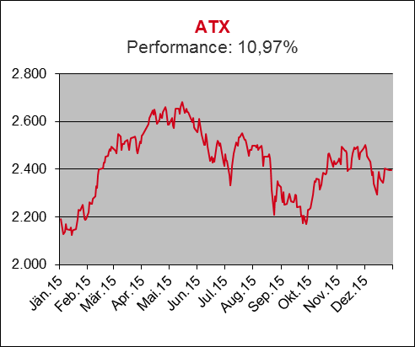
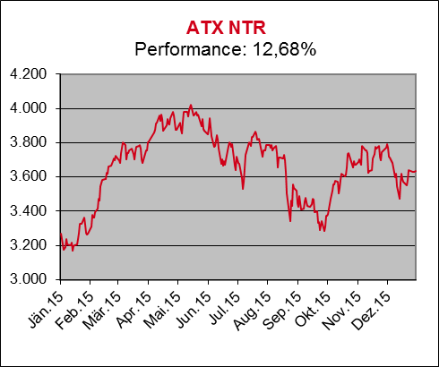
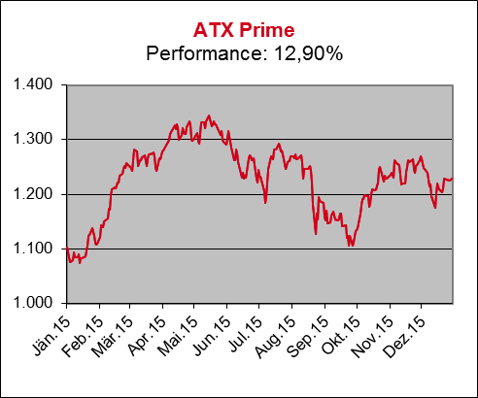
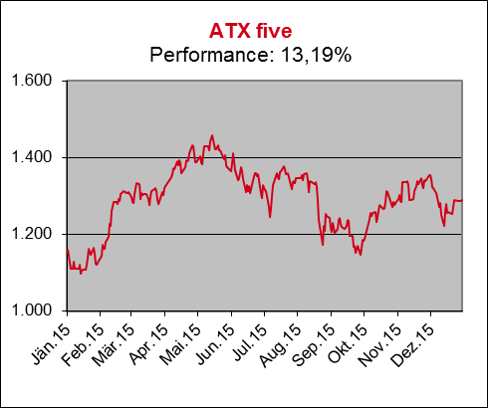
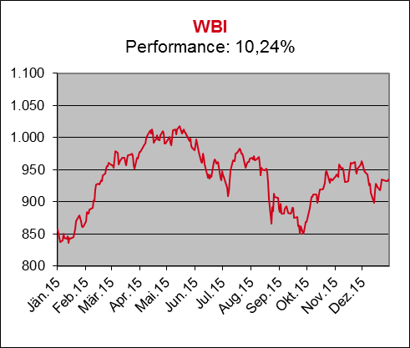
Performance 2015
Performance 2015

Indexperformance2
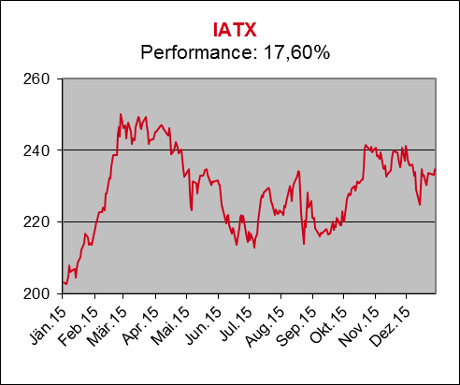
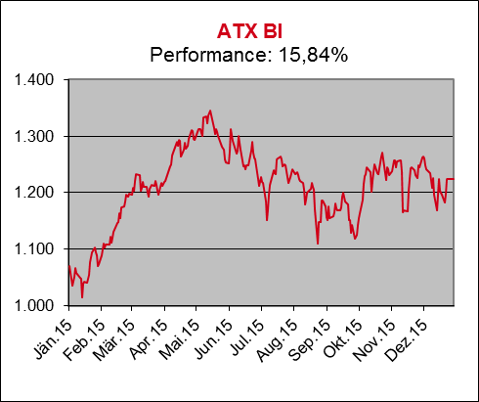
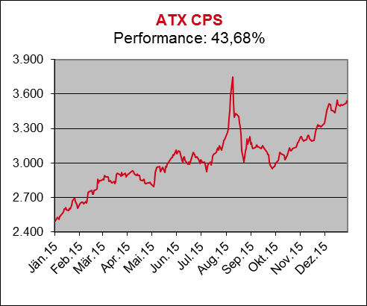
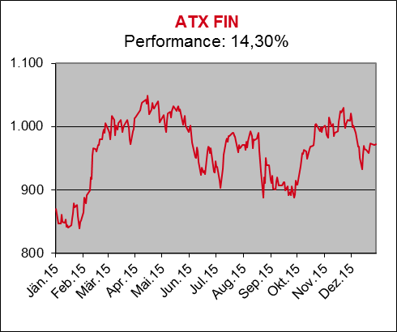
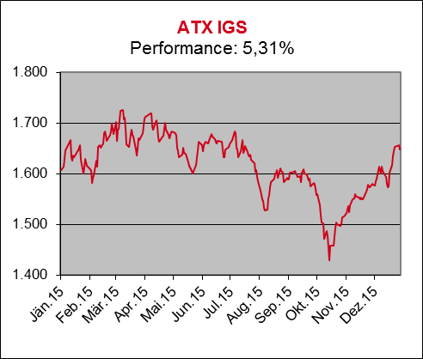
Performance 2015
Performance 2015

Indexperformance3
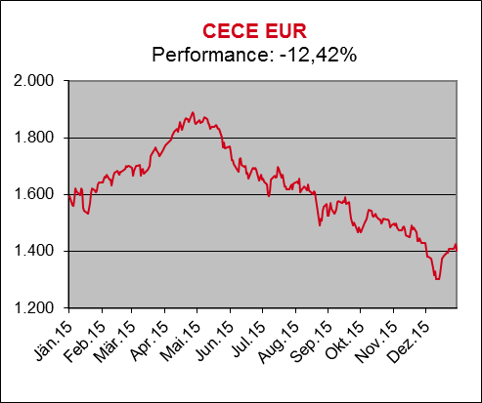
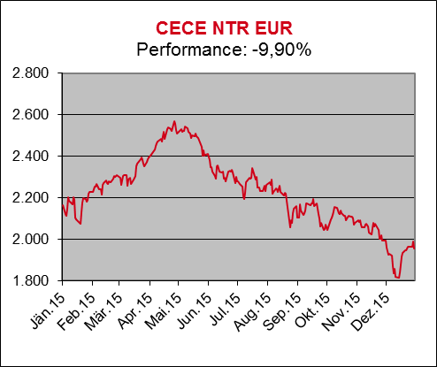
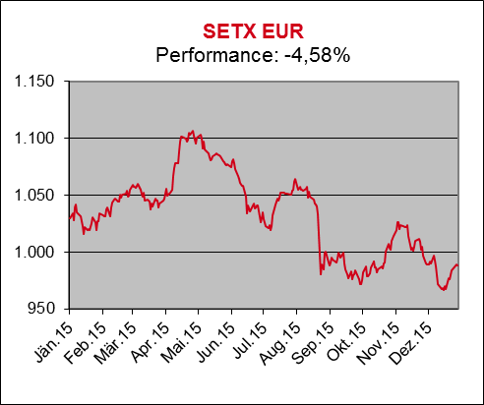
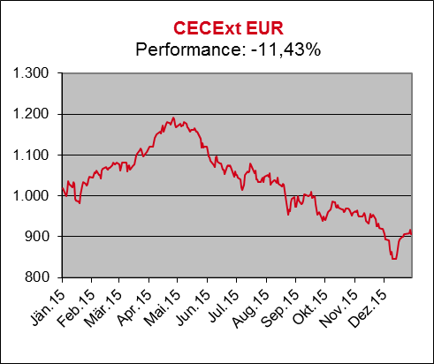
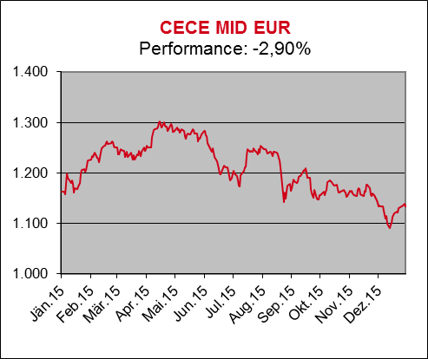
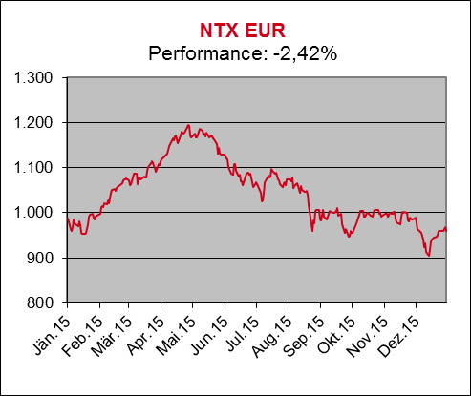
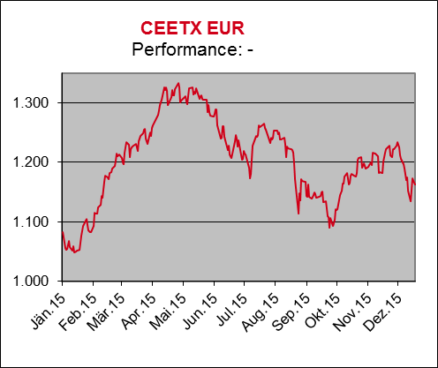
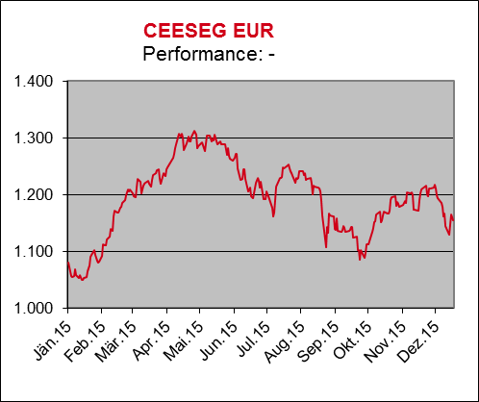
Performance 2015
Performance 2015

Indexperformance4
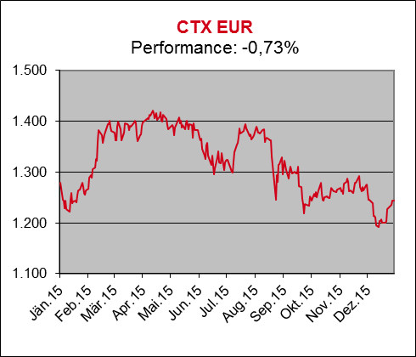
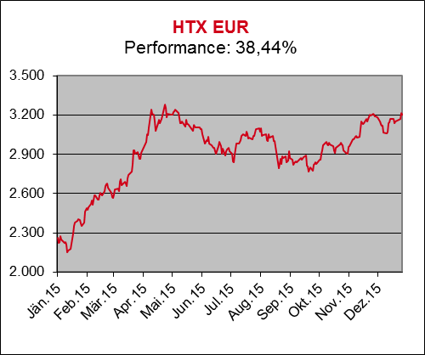
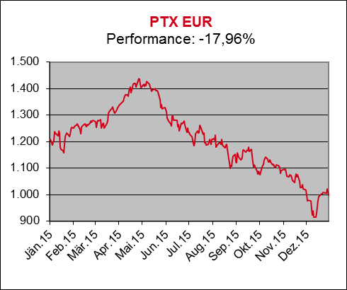
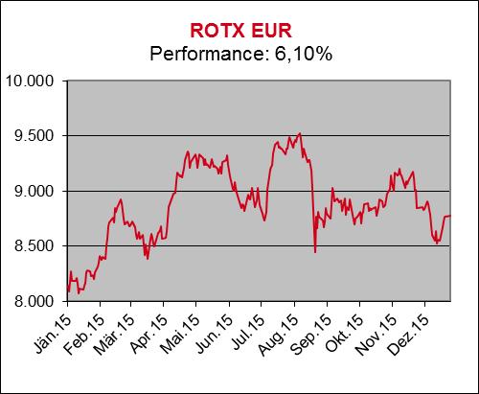
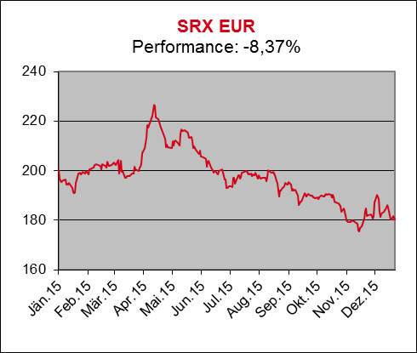
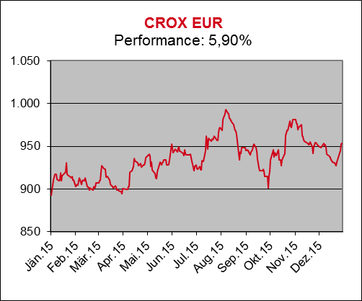
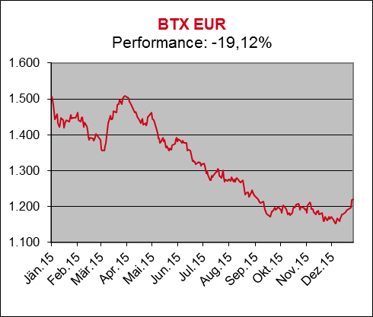
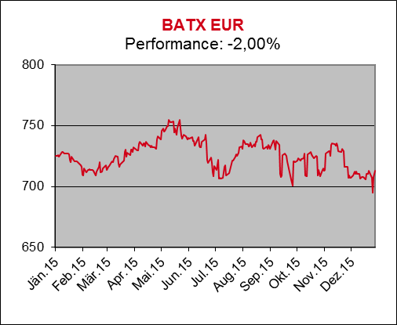
Performance 2015
Performance 2015

Indexperformance5
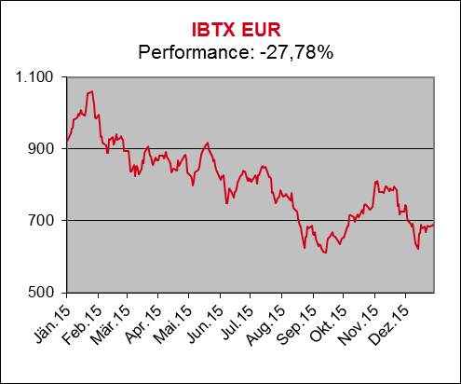
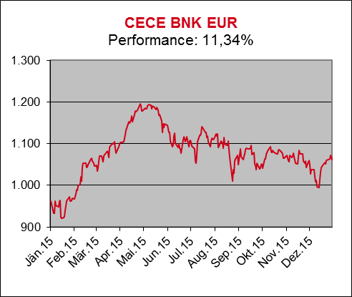
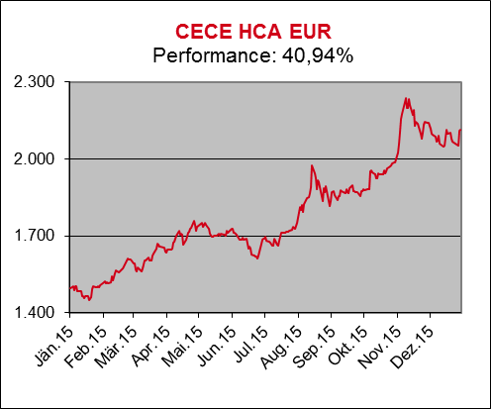
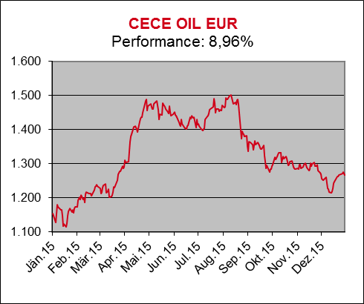
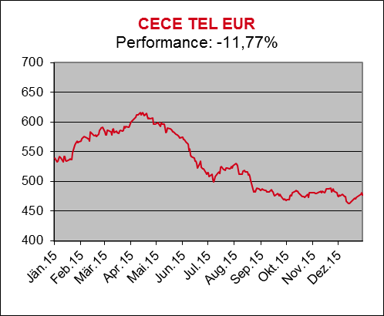
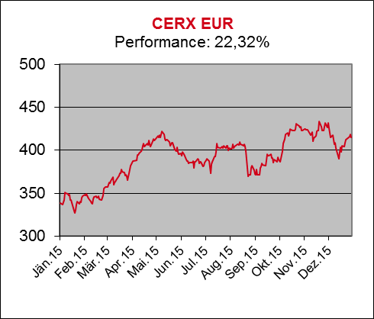
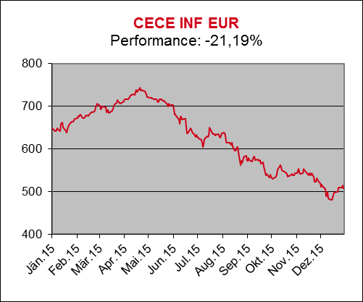
CERX
 | ATX
39084 | 4558.96
39085 | 4565.91
39086 | 4515.17
39087 | 4421.55
39090 | 4381.5
39091 | 4405.16
39092 | 4307.07
39093 | 4372.34
39094 | 4397.04
39097 | 4421.76
39098 | 4381.75
39099 | 4365.61
39100 | 4356.79
39101 | 4394.19
39104 | 4417.28
39105 | 4434.58
39106 | 4462.48
39107 | 4492.62
39108 | 4448.96
39111 | 4462.29
39112 | 4480.37
39113 | 4522.01
39114 | 4566.1
39115 | 4560.19
39118 | 4563.98
39119 | 4556.19
39120 | 4571.81
39121 | 4547.44
39122 | 4554.44
39125 | 4534.6
39126 | 4535.69
39127 | 4578.49
39128 | 4596.71
39129 | 4533.01
39132 | 4611.78
39133 | 4573.75
39134 | 4533.93
39135 | 4569.49
39136 | 4582.63
39139 | 4598.56
39140 | 4372.45
39141 | 4335.48
39142 | 4303.36
39143 | 4346.46
39146 | 4302.25
39147 | 4312.51
39148 | 4368.05
39149 | 4498.95
39150 | 4538.51
39153 | 4483.16
...
CECE INF
 | ATXPrime
 | 0
RTX USD
 | ATX five
 | 0
RDXxt EUR
 | ViDX
 | 0
RDX EUR
 | IATX
 | 0
RTX Mid USD
 | WBI
 | 0
UTX EUR
39084 | 1824.95
39085 | 1825.33
39086 | 1793.55
39087 | 1759.54
39090 | 1752.02
39091 | 1747.86
39092 | 1705.67
39093 | 1746.78
39094 | 1758.78
39097 | 1782.77
39098 | 1773.3
39099 | 1760.95
39100 | 1781.35
39101 | 1794.17
39104 | 1798.55
39105 | 1793.79
39106 | 1804.15
39107 | 1798.27
39108 | 1786.66
39111 | 1788.95
39112 | 1792.17
39113 | 1814.42
39114 | 1836.97
39115 | 1834.85
39118 | 1842.19
39119 | 1838.86
39120 | 1838.26
39121 | 1807.45
39122 | 1814.56
39125 | 1793.08
39126 | 1809.99
39127 | 1826.5
39128 | 1820.38
39129 | 1808.87
39132 | 1830.45
39133 | 1808.57
39134 | 1805.38
39135 | 1823.26
39136 | 1826.95
39139 | 1823.93
39140 | 1747.7
39141 | 1722.9
39142 | 1704.4
39143 | 1719.76
39146 | 1689.15
39147 | 1706.25
39148 | 1711.98
39149 | 1766.78
39150 | 1774.49
39153 | 1756.81
...
KTX EUR
39084 | 1824.95
39085 | 1825.33
39086 | 1793.55
39087 | 1759.54
39090 | 1752.02
39091 | 1747.86
39092 | 1705.67
39093 | 1746.78
39094 | 1758.78
39097 | 1782.77
39098 | 1773.3
39099 | 1760.95
39100 | 1781.35
39101 | 1794.17
39104 | 1798.55
39105 | 1793.79
39106 | 1804.15
39107 | 1798.27
39108 | 1786.66
39111 | 1788.95
39112 | 1792.17
39113 | 1814.42
39114 | 1836.97
39115 | 1834.85
39118 | 1842.19
39119 | 1838.86
39120 | 1838.26
39121 | 1807.45
39122 | 1814.56
39125 | 1793.08
39126 | 1809.99
39127 | 1826.5
39128 | 1820.38
39129 | 1808.87
39132 | 1830.45
39133 | 1808.57
39134 | 1805.38
39135 | 1823.26
39136 | 1826.95
39139 | 1823.93
39140 | 1747.7
39141 | 1722.9
39142 | 1704.4
39143 | 1719.76
39146 | 1689.15
39147 | 1706.25
39148 | 1711.98
39149 | 1766.78
39150 | 1774.49
39153 | 1756.81
...
Performance 2015
Performance 2015

Indexperformance6
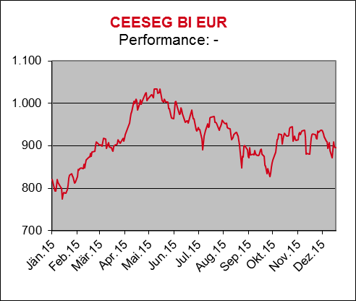
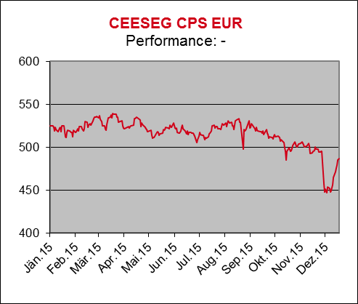
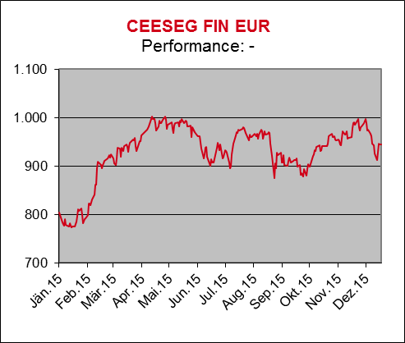
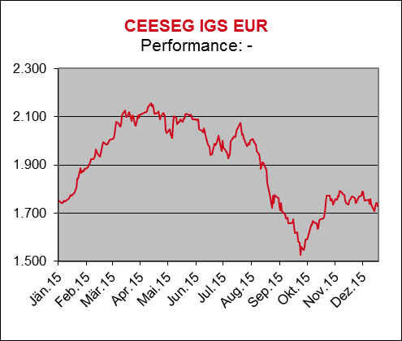
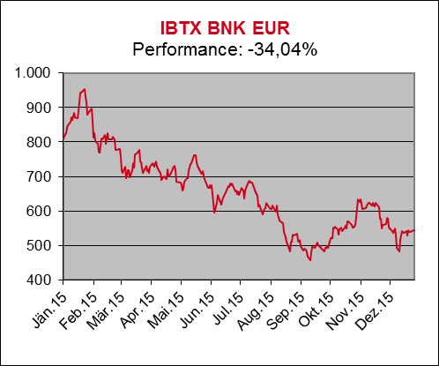
CERX
 | ATX
39084 | 4558.96
39085 | 4565.91
39086 | 4515.17
39087 | 4421.55
39090 | 4381.5
39091 | 4405.16
39092 | 4307.07
39093 | 4372.34
39094 | 4397.04
39097 | 4421.76
39098 | 4381.75
39099 | 4365.61
39100 | 4356.79
39101 | 4394.19
39104 | 4417.28
39105 | 4434.58
39106 | 4462.48
39107 | 4492.62
39108 | 4448.96
39111 | 4462.29
39112 | 4480.37
39113 | 4522.01
39114 | 4566.1
39115 | 4560.19
39118 | 4563.98
39119 | 4556.19
39120 | 4571.81
39121 | 4547.44
39122 | 4554.44
39125 | 4534.6
39126 | 4535.69
39127 | 4578.49
39128 | 4596.71
39129 | 4533.01
39132 | 4611.78
39133 | 4573.75
39134 | 4533.93
39135 | 4569.49
39136 | 4582.63
39139 | 4598.56
39140 | 4372.45
39141 | 4335.48
39142 | 4303.36
39143 | 4346.46
39146 | 4302.25
39147 | 4312.51
39148 | 4368.05
39149 | 4498.95
39150 | 4538.51
39153 | 4483.16
...
CECE INF
 | ATXPrime
 | 0
RTX USD
 | ATX five
 | 0
RDXxt EUR
 | ViDX
 | 0
RDX EUR
 | IATX
 | 0
RTX Mid USD
 | WBI
 | 0
UTX EUR
39084 | 1824.95
39085 | 1825.33
39086 | 1793.55
39087 | 1759.54
39090 | 1752.02
39091 | 1747.86
39092 | 1705.67
39093 | 1746.78
39094 | 1758.78
39097 | 1782.77
39098 | 1773.3
39099 | 1760.95
39100 | 1781.35
39101 | 1794.17
39104 | 1798.55
39105 | 1793.79
39106 | 1804.15
39107 | 1798.27
39108 | 1786.66
39111 | 1788.95
39112 | 1792.17
39113 | 1814.42
39114 | 1836.97
39115 | 1834.85
39118 | 1842.19
39119 | 1838.86
39120 | 1838.26
39121 | 1807.45
39122 | 1814.56
39125 | 1793.08
39126 | 1809.99
39127 | 1826.5
39128 | 1820.38
39129 | 1808.87
39132 | 1830.45
39133 | 1808.57
39134 | 1805.38
39135 | 1823.26
39136 | 1826.95
39139 | 1823.93
39140 | 1747.7
39141 | 1722.9
39142 | 1704.4
39143 | 1719.76
39146 | 1689.15
39147 | 1706.25
39148 | 1711.98
39149 | 1766.78
39150 | 1774.49
39153 | 1756.81
...
KTX EUR
39084 | 1824.95
39085 | 1825.33
39086 | 1793.55
39087 | 1759.54
39090 | 1752.02
39091 | 1747.86
39092 | 1705.67
39093 | 1746.78
39094 | 1758.78
39097 | 1782.77
39098 | 1773.3
39099 | 1760.95
39100 | 1781.35
39101 | 1794.17
39104 | 1798.55
39105 | 1793.79
39106 | 1804.15
39107 | 1798.27
39108 | 1786.66
39111 | 1788.95
39112 | 1792.17
39113 | 1814.42
39114 | 1836.97
39115 | 1834.85
39118 | 1842.19
39119 | 1838.86
39120 | 1838.26
39121 | 1807.45
39122 | 1814.56
39125 | 1793.08
39126 | 1809.99
39127 | 1826.5
39128 | 1820.38
39129 | 1808.87
39132 | 1830.45
39133 | 1808.57
39134 | 1805.38
39135 | 1823.26
39136 | 1826.95
39139 | 1823.93
39140 | 1747.7
39141 | 1722.9
39142 | 1704.4
39143 | 1719.76
39146 | 1689.15
39147 | 1706.25
39148 | 1711.98
39149 | 1766.78
39150 | 1774.49
39153 | 1756.81
...
Performance 2015
Performance 2015

Indexperformance7
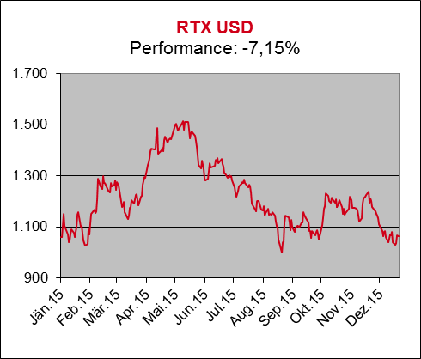
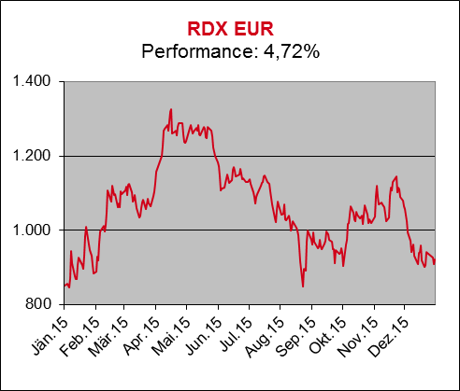
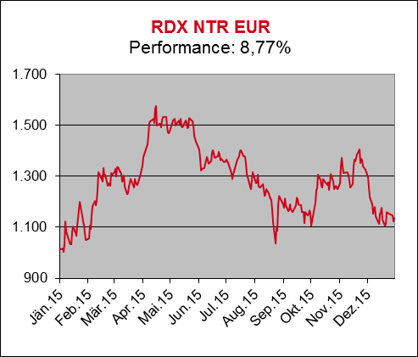
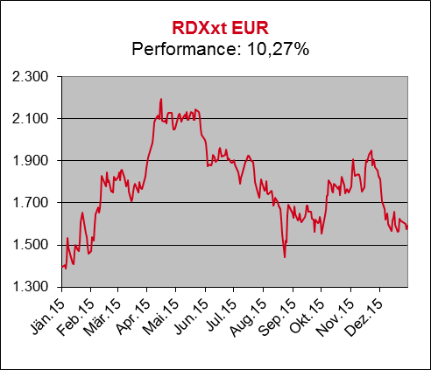
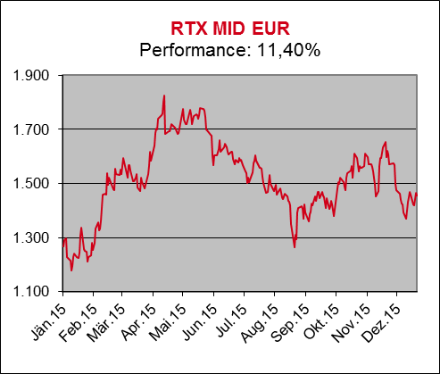
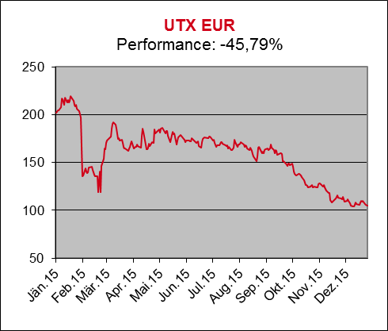
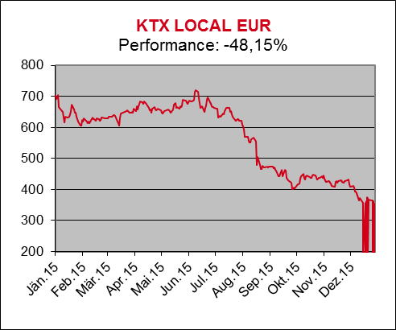
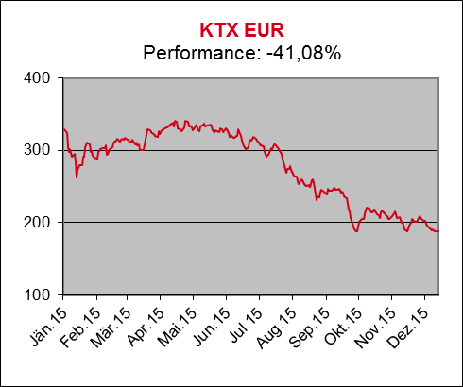
CERX
 | ATX
39084 | 4558.96
39085 | 4565.91
39086 | 4515.17
39087 | 4421.55
39090 | 4381.5
39091 | 4405.16
39092 | 4307.07
39093 | 4372.34
39094 | 4397.04
39097 | 4421.76
39098 | 4381.75
39099 | 4365.61
39100 | 4356.79
39101 | 4394.19
39104 | 4417.28
39105 | 4434.58
39106 | 4462.48
39107 | 4492.62
39108 | 4448.96
39111 | 4462.29
39112 | 4480.37
39113 | 4522.01
39114 | 4566.1
39115 | 4560.19
39118 | 4563.98
39119 | 4556.19
39120 | 4571.81
39121 | 4547.44
39122 | 4554.44
39125 | 4534.6
39126 | 4535.69
39127 | 4578.49
39128 | 4596.71
39129 | 4533.01
39132 | 4611.78
39133 | 4573.75
39134 | 4533.93
39135 | 4569.49
39136 | 4582.63
39139 | 4598.56
39140 | 4372.45
39141 | 4335.48
39142 | 4303.36
39143 | 4346.46
39146 | 4302.25
39147 | 4312.51
39148 | 4368.05
39149 | 4498.95
39150 | 4538.51
39153 | 4483.16
...
CECE INF
 | ATXPrime
 | 0
RTX USD
 | ATX five
 | 0
RDXxt EUR
 | ViDX
 | 0
RDX EUR
 | IATX
 | 0
RTX Mid USD
 | WBI
 | 0
UTX EUR
39084 | 1824.95
39085 | 1825.33
39086 | 1793.55
39087 | 1759.54
39090 | 1752.02
39091 | 1747.86
39092 | 1705.67
39093 | 1746.78
39094 | 1758.78
39097 | 1782.77
39098 | 1773.3
39099 | 1760.95
39100 | 1781.35
39101 | 1794.17
39104 | 1798.55
39105 | 1793.79
39106 | 1804.15
39107 | 1798.27
39108 | 1786.66
39111 | 1788.95
39112 | 1792.17
39113 | 1814.42
39114 | 1836.97
39115 | 1834.85
39118 | 1842.19
39119 | 1838.86
39120 | 1838.26
39121 | 1807.45
39122 | 1814.56
39125 | 1793.08
39126 | 1809.99
39127 | 1826.5
39128 | 1820.38
39129 | 1808.87
39132 | 1830.45
39133 | 1808.57
39134 | 1805.38
39135 | 1823.26
39136 | 1826.95
39139 | 1823.93
39140 | 1747.7
39141 | 1722.9
39142 | 1704.4
39143 | 1719.76
39146 | 1689.15
39147 | 1706.25
39148 | 1711.98
39149 | 1766.78
39150 | 1774.49
39153 | 1756.81
...
KTX EUR
39084 | 1824.95
39085 | 1825.33
39086 | 1793.55
39087 | 1759.54
39090 | 1752.02
39091 | 1747.86
39092 | 1705.67
39093 | 1746.78
39094 | 1758.78
39097 | 1782.77
39098 | 1773.3
39099 | 1760.95
39100 | 1781.35
39101 | 1794.17
39104 | 1798.55
39105 | 1793.79
39106 | 1804.15
39107 | 1798.27
39108 | 1786.66
39111 | 1788.95
39112 | 1792.17
39113 | 1814.42
39114 | 1836.97
39115 | 1834.85
39118 | 1842.19
39119 | 1838.86
39120 | 1838.26
39121 | 1807.45
39122 | 1814.56
39125 | 1793.08
39126 | 1809.99
39127 | 1826.5
39128 | 1820.38
39129 | 1808.87
39132 | 1830.45
39133 | 1808.57
39134 | 1805.38
39135 | 1823.26
39136 | 1826.95
39139 | 1823.93
39140 | 1747.7
39141 | 1722.9
39142 | 1704.4
39143 | 1719.76
39146 | 1689.15
39147 | 1706.25
39148 | 1711.98
39149 | 1766.78
39150 | 1774.49
39153 | 1756.81
...
CERX
 | ATX
39084 | 4558.96
39085 | 4565.91
39086 | 4515.17
39087 | 4421.55
39090 | 4381.5
39091 | 4405.16
39092 | 4307.07
39093 | 4372.34
39094 | 4397.04
39097 | 4421.76
39098 | 4381.75
39099 | 4365.61
39100 | 4356.79
39101 | 4394.19
39104 | 4417.28
39105 | 4434.58
39106 | 4462.48
39107 | 4492.62
39108 | 4448.96
39111 | 4462.29
39112 | 4480.37
39113 | 4522.01
39114 | 4566.1
39115 | 4560.19
39118 | 4563.98
39119 | 4556.19
39120 | 4571.81
39121 | 4547.44
39122 | 4554.44
39125 | 4534.6
39126 | 4535.69
39127 | 4578.49
39128 | 4596.71
39129 | 4533.01
39132 | 4611.78
39133 | 4573.75
39134 | 4533.93
39135 | 4569.49
39136 | 4582.63
39139 | 4598.56
39140 | 4372.45
39141 | 4335.48
39142 | 4303.36
39143 | 4346.46
39146 | 4302.25
39147 | 4312.51
39148 | 4368.05
39149 | 4498.95
39150 | 4538.51
39153 | 4483.16
...
CECE INF
 | ATXPrime
 | 0
RTX USD
 | ATX five
 | 0
RDXxt EUR
 | ViDX
 | 0
RDX EUR
 | IATX
 | 0
RTX Mid USD
 | WBI
 | 0
UTX EUR
39084 | 1824.95
39085 | 1825.33
39086 | 1793.55
39087 | 1759.54
39090 | 1752.02
39091 | 1747.86
39092 | 1705.67
39093 | 1746.78
39094 | 1758.78
39097 | 1782.77
39098 | 1773.3
39099 | 1760.95
39100 | 1781.35
39101 | 1794.17
39104 | 1798.55
39105 | 1793.79
39106 | 1804.15
39107 | 1798.27
39108 | 1786.66
39111 | 1788.95
39112 | 1792.17
39113 | 1814.42
39114 | 1836.97
39115 | 1834.85
39118 | 1842.19
39119 | 1838.86
39120 | 1838.26
39121 | 1807.45
39122 | 1814.56
39125 | 1793.08
39126 | 1809.99
39127 | 1826.5
39128 | 1820.38
39129 | 1808.87
39132 | 1830.45
39133 | 1808.57
39134 | 1805.38
39135 | 1823.26
39136 | 1826.95
39139 | 1823.93
39140 | 1747.7
39141 | 1722.9
39142 | 1704.4
39143 | 1719.76
39146 | 1689.15
39147 | 1706.25
39148 | 1711.98
39149 | 1766.78
39150 | 1774.49
39153 | 1756.81
...
KTX EUR
39084 | 1824.95
39085 | 1825.33
39086 | 1793.55
39087 | 1759.54
39090 | 1752.02
39091 | 1747.86
39092 | 1705.67
39093 | 1746.78
39094 | 1758.78
39097 | 1782.77
39098 | 1773.3
39099 | 1760.95
39100 | 1781.35
39101 | 1794.17
39104 | 1798.55
39105 | 1793.79
39106 | 1804.15
39107 | 1798.27
39108 | 1786.66
39111 | 1788.95
39112 | 1792.17
39113 | 1814.42
39114 | 1836.97
39115 | 1834.85
39118 | 1842.19
39119 | 1838.86
39120 | 1838.26
39121 | 1807.45
39122 | 1814.56
39125 | 1793.08
39126 | 1809.99
39127 | 1826.5
39128 | 1820.38
39129 | 1808.87
39132 | 1830.45
39133 | 1808.57
39134 | 1805.38
39135 | 1823.26
39136 | 1826.95
39139 | 1823.93
39140 | 1747.7
39141 | 1722.9
39142 | 1704.4
39143 | 1719.76
39146 | 1689.15
39147 | 1706.25
39148 | 1711.98
39149 | 1766.78
39150 | 1774.49
39153 | 1756.81
...
Performance 2015
Performance 2015

Indexperformance8
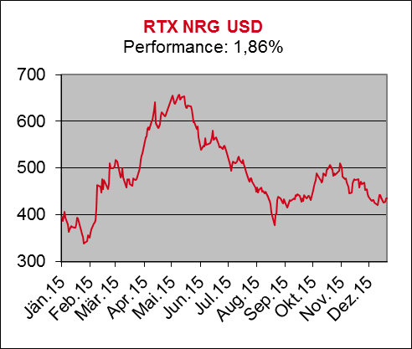
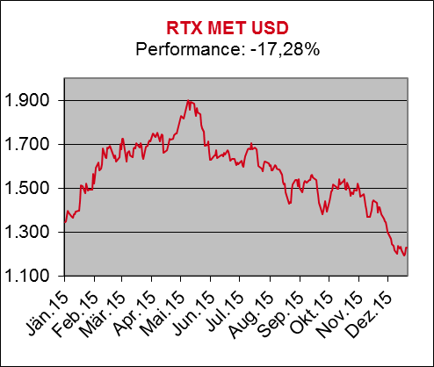
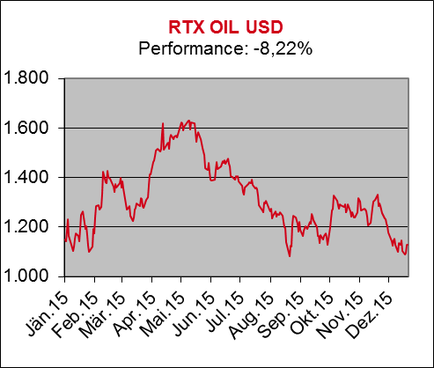
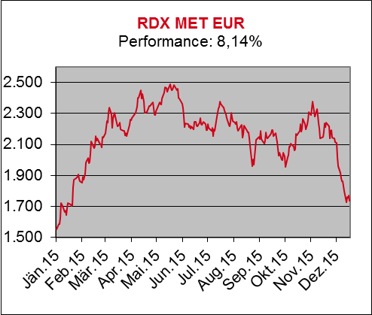

CERX
 | ATX
39084 | 4558.96
39085 | 4565.91
39086 | 4515.17
39087 | 4421.55
39090 | 4381.5
39091 | 4405.16
39092 | 4307.07
39093 | 4372.34
39094 | 4397.04
39097 | 4421.76
39098 | 4381.75
39099 | 4365.61
39100 | 4356.79
39101 | 4394.19
39104 | 4417.28
39105 | 4434.58
39106 | 4462.48
39107 | 4492.62
39108 | 4448.96
39111 | 4462.29
39112 | 4480.37
39113 | 4522.01
39114 | 4566.1
39115 | 4560.19
39118 | 4563.98
39119 | 4556.19
39120 | 4571.81
39121 | 4547.44
39122 | 4554.44
39125 | 4534.6
39126 | 4535.69
39127 | 4578.49
39128 | 4596.71
39129 | 4533.01
39132 | 4611.78
39133 | 4573.75
39134 | 4533.93
39135 | 4569.49
39136 | 4582.63
39139 | 4598.56
39140 | 4372.45
39141 | 4335.48
39142 | 4303.36
39143 | 4346.46
39146 | 4302.25
39147 | 4312.51
39148 | 4368.05
39149 | 4498.95
39150 | 4538.51
39153 | 4483.16
...
CECE INF
 | ATXPrime
 | 0
RTX USD
 | ATX five
 | 0
RDXxt EUR
 | ViDX
 | 0
RDX EUR
 | IATX
 | 0
RTX Mid USD
 | WBI
 | 0
UTX EUR
39084 | 1824.95
39085 | 1825.33
39086 | 1793.55
39087 | 1759.54
39090 | 1752.02
39091 | 1747.86
39092 | 1705.67
39093 | 1746.78
39094 | 1758.78
39097 | 1782.77
39098 | 1773.3
39099 | 1760.95
39100 | 1781.35
39101 | 1794.17
39104 | 1798.55
39105 | 1793.79
39106 | 1804.15
39107 | 1798.27
39108 | 1786.66
39111 | 1788.95
39112 | 1792.17
39113 | 1814.42
39114 | 1836.97
39115 | 1834.85
39118 | 1842.19
39119 | 1838.86
39120 | 1838.26
39121 | 1807.45
39122 | 1814.56
39125 | 1793.08
39126 | 1809.99
39127 | 1826.5
39128 | 1820.38
39129 | 1808.87
39132 | 1830.45
39133 | 1808.57
39134 | 1805.38
39135 | 1823.26
39136 | 1826.95
39139 | 1823.93
39140 | 1747.7
39141 | 1722.9
39142 | 1704.4
39143 | 1719.76
39146 | 1689.15
39147 | 1706.25
39148 | 1711.98
39149 | 1766.78
39150 | 1774.49
39153 | 1756.81
...
KTX EUR
39084 | 1824.95
39085 | 1825.33
39086 | 1793.55
39087 | 1759.54
39090 | 1752.02
39091 | 1747.86
39092 | 1705.67
39093 | 1746.78
39094 | 1758.78
39097 | 1782.77
39098 | 1773.3
39099 | 1760.95
39100 | 1781.35
39101 | 1794.17
39104 | 1798.55
39105 | 1793.79
39106 | 1804.15
39107 | 1798.27
39108 | 1786.66
39111 | 1788.95
39112 | 1792.17
39113 | 1814.42
39114 | 1836.97
39115 | 1834.85
39118 | 1842.19
39119 | 1838.86
39120 | 1838.26
39121 | 1807.45
39122 | 1814.56
39125 | 1793.08
39126 | 1809.99
39127 | 1826.5
39128 | 1820.38
39129 | 1808.87
39132 | 1830.45
39133 | 1808.57
39134 | 1805.38
39135 | 1823.26
39136 | 1826.95
39139 | 1823.93
39140 | 1747.7
39141 | 1722.9
39142 | 1704.4
39143 | 1719.76
39146 | 1689.15
39147 | 1706.25
39148 | 1711.98
39149 | 1766.78
39150 | 1774.49
39153 | 1756.81
...
CERX
 | ATX
39084 | 4558.96
39085 | 4565.91
39086 | 4515.17
39087 | 4421.55
39090 | 4381.5
39091 | 4405.16
39092 | 4307.07
39093 | 4372.34
39094 | 4397.04
39097 | 4421.76
39098 | 4381.75
39099 | 4365.61
39100 | 4356.79
39101 | 4394.19
39104 | 4417.28
39105 | 4434.58
39106 | 4462.48
39107 | 4492.62
39108 | 4448.96
39111 | 4462.29
39112 | 4480.37
39113 | 4522.01
39114 | 4566.1
39115 | 4560.19
39118 | 4563.98
39119 | 4556.19
39120 | 4571.81
39121 | 4547.44
39122 | 4554.44
39125 | 4534.6
39126 | 4535.69
39127 | 4578.49
39128 | 4596.71
39129 | 4533.01
39132 | 4611.78
39133 | 4573.75
39134 | 4533.93
39135 | 4569.49
39136 | 4582.63
39139 | 4598.56
39140 | 4372.45
39141 | 4335.48
39142 | 4303.36
39143 | 4346.46
39146 | 4302.25
39147 | 4312.51
39148 | 4368.05
39149 | 4498.95
39150 | 4538.51
39153 | 4483.16
...
CECE INF
 | ATXPrime
 | 0
RTX USD
 | ATX five
 | 0
RDXxt EUR
 | ViDX
 | 0
RDX EUR
 | IATX
 | 0
RTX Mid USD
 | WBI
 | 0
UTX EUR
39084 | 1824.95
39085 | 1825.33
39086 | 1793.55
39087 | 1759.54
39090 | 1752.02
39091 | 1747.86
39092 | 1705.67
39093 | 1746.78
39094 | 1758.78
39097 | 1782.77
39098 | 1773.3
39099 | 1760.95
39100 | 1781.35
39101 | 1794.17
39104 | 1798.55
39105 | 1793.79
39106 | 1804.15
39107 | 1798.27
39108 | 1786.66
39111 | 1788.95
39112 | 1792.17
39113 | 1814.42
39114 | 1836.97
39115 | 1834.85
39118 | 1842.19
39119 | 1838.86
39120 | 1838.26
39121 | 1807.45
39122 | 1814.56
39125 | 1793.08
39126 | 1809.99
39127 | 1826.5
39128 | 1820.38
39129 | 1808.87
39132 | 1830.45
39133 | 1808.57
39134 | 1805.38
39135 | 1823.26
39136 | 1826.95
39139 | 1823.93
39140 | 1747.7
39141 | 1722.9
39142 | 1704.4
39143 | 1719.76
39146 | 1689.15
39147 | 1706.25
39148 | 1711.98
39149 | 1766.78
39150 | 1774.49
39153 | 1756.81
...
KTX EUR
39084 | 1824.95
39085 | 1825.33
39086 | 1793.55
39087 | 1759.54
39090 | 1752.02
39091 | 1747.86
39092 | 1705.67
39093 | 1746.78
39094 | 1758.78
39097 | 1782.77
39098 | 1773.3
39099 | 1760.95
39100 | 1781.35
39101 | 1794.17
39104 | 1798.55
39105 | 1793.79
39106 | 1804.15
39107 | 1798.27
39108 | 1786.66
39111 | 1788.95
39112 | 1792.17
39113 | 1814.42
39114 | 1836.97
39115 | 1834.85
39118 | 1842.19
39119 | 1838.86
39120 | 1838.26
39121 | 1807.45
39122 | 1814.56
39125 | 1793.08
39126 | 1809.99
39127 | 1826.5
39128 | 1820.38
39129 | 1808.87
39132 | 1830.45
39133 | 1808.57
39134 | 1805.38
39135 | 1823.26
39136 | 1826.95
39139 | 1823.93
39140 | 1747.7
39141 | 1722.9
39142 | 1704.4
39143 | 1719.76
39146 | 1689.15
39147 | 1706.25
39148 | 1711.98
39149 | 1766.78
39150 | 1774.49
39153 | 1756.81
...
Performance 2015
Performance 2015

Indexperformance9








CERX
 | ATX
39084 | 4558.96
39085 | 4565.91
39086 | 4515.17
39087 | 4421.55
39090 | 4381.5
39091 | 4405.16
39092 | 4307.07
39093 | 4372.34
39094 | 4397.04
39097 | 4421.76
39098 | 4381.75
39099 | 4365.61
39100 | 4356.79
39101 | 4394.19
39104 | 4417.28
39105 | 4434.58
39106 | 4462.48
39107 | 4492.62
39108 | 4448.96
39111 | 4462.29
39112 | 4480.37
39113 | 4522.01
39114 | 4566.1
39115 | 4560.19
39118 | 4563.98
39119 | 4556.19
39120 | 4571.81
39121 | 4547.44
39122 | 4554.44
39125 | 4534.6
39126 | 4535.69
39127 | 4578.49
39128 | 4596.71
39129 | 4533.01
39132 | 4611.78
39133 | 4573.75
39134 | 4533.93
39135 | 4569.49
39136 | 4582.63
39139 | 4598.56
39140 | 4372.45
39141 | 4335.48
39142 | 4303.36
39143 | 4346.46
39146 | 4302.25
39147 | 4312.51
39148 | 4368.05
39149 | 4498.95
39150 | 4538.51
39153 | 4483.16
...
CECE INF
 | ATXPrime
 | 0
RTX USD
 | ATX five
 | 0
RDXxt EUR
 | ViDX
 | 0
RDX EUR
 | IATX
 | 0
RTX Mid USD
 | WBI
 | 0
UTX EUR
39084 | 1824.95
39085 | 1825.33
39086 | 1793.55
39087 | 1759.54
39090 | 1752.02
39091 | 1747.86
39092 | 1705.67
39093 | 1746.78
39094 | 1758.78
39097 | 1782.77
39098 | 1773.3
39099 | 1760.95
39100 | 1781.35
39101 | 1794.17
39104 | 1798.55
39105 | 1793.79
39106 | 1804.15
39107 | 1798.27
39108 | 1786.66
39111 | 1788.95
39112 | 1792.17
39113 | 1814.42
39114 | 1836.97
39115 | 1834.85
39118 | 1842.19
39119 | 1838.86
39120 | 1838.26
39121 | 1807.45
39122 | 1814.56
39125 | 1793.08
39126 | 1809.99
39127 | 1826.5
39128 | 1820.38
39129 | 1808.87
39132 | 1830.45
39133 | 1808.57
39134 | 1805.38
39135 | 1823.26
39136 | 1826.95
39139 | 1823.93
39140 | 1747.7
39141 | 1722.9
39142 | 1704.4
39143 | 1719.76
39146 | 1689.15
39147 | 1706.25
39148 | 1711.98
39149 | 1766.78
39150 | 1774.49
39153 | 1756.81
...
KTX EUR
39084 | 1824.95
39085 | 1825.33
39086 | 1793.55
39087 | 1759.54
39090 | 1752.02
39091 | 1747.86
39092 | 1705.67
39093 | 1746.78
39094 | 1758.78
39097 | 1782.77
39098 | 1773.3
39099 | 1760.95
39100 | 1781.35
39101 | 1794.17
39104 | 1798.55
39105 | 1793.79
39106 | 1804.15
39107 | 1798.27
39108 | 1786.66
39111 | 1788.95
39112 | 1792.17
39113 | 1814.42
39114 | 1836.97
39115 | 1834.85
39118 | 1842.19
39119 | 1838.86
39120 | 1838.26
39121 | 1807.45
39122 | 1814.56
39125 | 1793.08
39126 | 1809.99
39127 | 1826.5
39128 | 1820.38
39129 | 1808.87
39132 | 1830.45
39133 | 1808.57
39134 | 1805.38
39135 | 1823.26
39136 | 1826.95
39139 | 1823.93
39140 | 1747.7
39141 | 1722.9
39142 | 1704.4
39143 | 1719.76
39146 | 1689.15
39147 | 1706.25
39148 | 1711.98
39149 | 1766.78
39150 | 1774.49
39153 | 1756.81
...
CERX
 | ATX
39084 | 4558.96
39085 | 4565.91
39086 | 4515.17
39087 | 4421.55
39090 | 4381.5
39091 | 4405.16
39092 | 4307.07
39093 | 4372.34
39094 | 4397.04
39097 | 4421.76
39098 | 4381.75
39099 | 4365.61
39100 | 4356.79
39101 | 4394.19
39104 | 4417.28
39105 | 4434.58
39106 | 4462.48
39107 | 4492.62
39108 | 4448.96
39111 | 4462.29
39112 | 4480.37
39113 | 4522.01
39114 | 4566.1
39115 | 4560.19
39118 | 4563.98
39119 | 4556.19
39120 | 4571.81
39121 | 4547.44
39122 | 4554.44
39125 | 4534.6
39126 | 4535.69
39127 | 4578.49
39128 | 4596.71
39129 | 4533.01
39132 | 4611.78
39133 | 4573.75
39134 | 4533.93
39135 | 4569.49
39136 | 4582.63
39139 | 4598.56
39140 | 4372.45
39141 | 4335.48
39142 | 4303.36
39143 | 4346.46
39146 | 4302.25
39147 | 4312.51
39148 | 4368.05
39149 | 4498.95
39150 | 4538.51
39153 | 4483.16
...
CECE INF
 | ATXPrime
 | 0
RTX USD
 | ATX five
 | 0
RDXxt EUR
 | ViDX
 | 0
RDX EUR
 | IATX
 | 0
RTX Mid USD
 | WBI
 | 0
UTX EUR
39084 | 1824.95
39085 | 1825.33
39086 | 1793.55
39087 | 1759.54
39090 | 1752.02
39091 | 1747.86
39092 | 1705.67
39093 | 1746.78
39094 | 1758.78
39097 | 1782.77
39098 | 1773.3
39099 | 1760.95
39100 | 1781.35
39101 | 1794.17
39104 | 1798.55
39105 | 1793.79
39106 | 1804.15
39107 | 1798.27
39108 | 1786.66
39111 | 1788.95
39112 | 1792.17
39113 | 1814.42
39114 | 1836.97
39115 | 1834.85
39118 | 1842.19
39119 | 1838.86
39120 | 1838.26
39121 | 1807.45
39122 | 1814.56
39125 | 1793.08
39126 | 1809.99
39127 | 1826.5
39128 | 1820.38
39129 | 1808.87
39132 | 1830.45
39133 | 1808.57
39134 | 1805.38
39135 | 1823.26
39136 | 1826.95
39139 | 1823.93
39140 | 1747.7
39141 | 1722.9
39142 | 1704.4
39143 | 1719.76
39146 | 1689.15
39147 | 1706.25
39148 | 1711.98
39149 | 1766.78
39150 | 1774.49
39153 | 1756.81
...
KTX EUR
39084 | 1824.95
39085 | 1825.33
39086 | 1793.55
39087 | 1759.54
39090 | 1752.02
39091 | 1747.86
39092 | 1705.67
39093 | 1746.78
39094 | 1758.78
39097 | 1782.77
39098 | 1773.3
39099 | 1760.95
39100 | 1781.35
39101 | 1794.17
39104 | 1798.55
39105 | 1793.79
39106 | 1804.15
39107 | 1798.27
39108 | 1786.66
39111 | 1788.95
39112 | 1792.17
39113 | 1814.42
39114 | 1836.97
39115 | 1834.85
39118 | 1842.19
39119 | 1838.86
39120 | 1838.26
39121 | 1807.45
39122 | 1814.56
39125 | 1793.08
39126 | 1809.99
39127 | 1826.5
39128 | 1820.38
39129 | 1808.87
39132 | 1830.45
39133 | 1808.57
39134 | 1805.38
39135 | 1823.26
39136 | 1826.95
39139 | 1823.93
39140 | 1747.7
39141 | 1722.9
39142 | 1704.4
39143 | 1719.76
39146 | 1689.15
39147 | 1706.25
39148 | 1711.98
39149 | 1766.78
39150 | 1774.49
39153 | 1756.81
...
Performance 2015
Performance 2015

Indexperformance10








CERX
 | ATX
39084 | 4558.96
39085 | 4565.91
39086 | 4515.17
39087 | 4421.55
39090 | 4381.5
39091 | 4405.16
39092 | 4307.07
39093 | 4372.34
39094 | 4397.04
39097 | 4421.76
39098 | 4381.75
39099 | 4365.61
39100 | 4356.79
39101 | 4394.19
39104 | 4417.28
39105 | 4434.58
39106 | 4462.48
39107 | 4492.62
39108 | 4448.96
39111 | 4462.29
39112 | 4480.37
39113 | 4522.01
39114 | 4566.1
39115 | 4560.19
39118 | 4563.98
39119 | 4556.19
39120 | 4571.81
39121 | 4547.44
39122 | 4554.44
39125 | 4534.6
39126 | 4535.69
39127 | 4578.49
39128 | 4596.71
39129 | 4533.01
39132 | 4611.78
39133 | 4573.75
39134 | 4533.93
39135 | 4569.49
39136 | 4582.63
39139 | 4598.56
39140 | 4372.45
39141 | 4335.48
39142 | 4303.36
39143 | 4346.46
39146 | 4302.25
39147 | 4312.51
39148 | 4368.05
39149 | 4498.95
39150 | 4538.51
39153 | 4483.16
...
CECE INF
 | ATXPrime
 | 0
RTX USD
 | ATX five
 | 0
RDXxt EUR
 | ViDX
 | 0
RDX EUR
 | IATX
 | 0
RTX Mid USD
 | WBI
 | 0
UTX EUR
39084 | 1824.95
39085 | 1825.33
39086 | 1793.55
39087 | 1759.54
39090 | 1752.02
39091 | 1747.86
39092 | 1705.67
39093 | 1746.78
39094 | 1758.78
39097 | 1782.77
39098 | 1773.3
39099 | 1760.95
39100 | 1781.35
39101 | 1794.17
39104 | 1798.55
39105 | 1793.79
39106 | 1804.15
39107 | 1798.27
39108 | 1786.66
39111 | 1788.95
39112 | 1792.17
39113 | 1814.42
39114 | 1836.97
39115 | 1834.85
39118 | 1842.19
39119 | 1838.86
39120 | 1838.26
39121 | 1807.45
39122 | 1814.56
39125 | 1793.08
39126 | 1809.99
39127 | 1826.5
39128 | 1820.38
39129 | 1808.87
39132 | 1830.45
39133 | 1808.57
39134 | 1805.38
39135 | 1823.26
39136 | 1826.95
39139 | 1823.93
39140 | 1747.7
39141 | 1722.9
39142 | 1704.4
39143 | 1719.76
39146 | 1689.15
39147 | 1706.25
39148 | 1711.98
39149 | 1766.78
39150 | 1774.49
39153 | 1756.81
...
KTX EUR
39084 | 1824.95
39085 | 1825.33
39086 | 1793.55
39087 | 1759.54
39090 | 1752.02
39091 | 1747.86
39092 | 1705.67
39093 | 1746.78
39094 | 1758.78
39097 | 1782.77
39098 | 1773.3
39099 | 1760.95
39100 | 1781.35
39101 | 1794.17
39104 | 1798.55
39105 | 1793.79
39106 | 1804.15
39107 | 1798.27
39108 | 1786.66
39111 | 1788.95
39112 | 1792.17
39113 | 1814.42
39114 | 1836.97
39115 | 1834.85
39118 | 1842.19
39119 | 1838.86
39120 | 1838.26
39121 | 1807.45
39122 | 1814.56
39125 | 1793.08
39126 | 1809.99
39127 | 1826.5
39128 | 1820.38
39129 | 1808.87
39132 | 1830.45
39133 | 1808.57
39134 | 1805.38
39135 | 1823.26
39136 | 1826.95
39139 | 1823.93
39140 | 1747.7
39141 | 1722.9
39142 | 1704.4
39143 | 1719.76
39146 | 1689.15
39147 | 1706.25
39148 | 1711.98
39149 | 1766.78
39150 | 1774.49
39153 | 1756.81
...
CERX
 | ATX
39084 | 4558.96
39085 | 4565.91
39086 | 4515.17
39087 | 4421.55
39090 | 4381.5
39091 | 4405.16
39092 | 4307.07
39093 | 4372.34
39094 | 4397.04
39097 | 4421.76
39098 | 4381.75
39099 | 4365.61
39100 | 4356.79
39101 | 4394.19
39104 | 4417.28
39105 | 4434.58
39106 | 4462.48
39107 | 4492.62
39108 | 4448.96
39111 | 4462.29
39112 | 4480.37
39113 | 4522.01
39114 | 4566.1
39115 | 4560.19
39118 | 4563.98
39119 | 4556.19
39120 | 4571.81
39121 | 4547.44
39122 | 4554.44
39125 | 4534.6
39126 | 4535.69
39127 | 4578.49
39128 | 4596.71
39129 | 4533.01
39132 | 4611.78
39133 | 4573.75
39134 | 4533.93
39135 | 4569.49
39136 | 4582.63
39139 | 4598.56
39140 | 4372.45
39141 | 4335.48
39142 | 4303.36
39143 | 4346.46
39146 | 4302.25
39147 | 4312.51
39148 | 4368.05
39149 | 4498.95
39150 | 4538.51
39153 | 4483.16
...
CECE INF
 | ATXPrime
 | 0
RTX USD
 | ATX five
 | 0
RDXxt EUR
 | ViDX
 | 0
RDX EUR
 | IATX
 | 0
RTX Mid USD
 | WBI
 | 0
UTX EUR
39084 | 1824.95
39085 | 1825.33
39086 | 1793.55
39087 | 1759.54
39090 | 1752.02
39091 | 1747.86
39092 | 1705.67
39093 | 1746.78
39094 | 1758.78
39097 | 1782.77
39098 | 1773.3
39099 | 1760.95
39100 | 1781.35
39101 | 1794.17
39104 | 1798.55
39105 | 1793.79
39106 | 1804.15
39107 | 1798.27
39108 | 1786.66
39111 | 1788.95
39112 | 1792.17
39113 | 1814.42
39114 | 1836.97
39115 | 1834.85
39118 | 1842.19
39119 | 1838.86
39120 | 1838.26
39121 | 1807.45
39122 | 1814.56
39125 | 1793.08
39126 | 1809.99
39127 | 1826.5
39128 | 1820.38
39129 | 1808.87
39132 | 1830.45
39133 | 1808.57
39134 | 1805.38
39135 | 1823.26
39136 | 1826.95
39139 | 1823.93
39140 | 1747.7
39141 | 1722.9
39142 | 1704.4
39143 | 1719.76
39146 | 1689.15
39147 | 1706.25
39148 | 1711.98
39149 | 1766.78
39150 | 1774.49
39153 | 1756.81
...
KTX EUR
39084 | 1824.95
39085 | 1825.33
39086 | 1793.55
39087 | 1759.54
39090 | 1752.02
39091 | 1747.86
39092 | 1705.67
39093 | 1746.78
39094 | 1758.78
39097 | 1782.77
39098 | 1773.3
39099 | 1760.95
39100 | 1781.35
39101 | 1794.17
39104 | 1798.55
39105 | 1793.79
39106 | 1804.15
39107 | 1798.27
39108 | 1786.66
39111 | 1788.95
39112 | 1792.17
39113 | 1814.42
39114 | 1836.97
39115 | 1834.85
39118 | 1842.19
39119 | 1838.86
39120 | 1838.26
39121 | 1807.45
39122 | 1814.56
39125 | 1793.08
39126 | 1809.99
39127 | 1826.5
39128 | 1820.38
39129 | 1808.87
39132 | 1830.45
39133 | 1808.57
39134 | 1805.38
39135 | 1823.26
39136 | 1826.95
39139 | 1823.93
39140 | 1747.7
39141 | 1722.9
39142 | 1704.4
39143 | 1719.76
39146 | 1689.15
39147 | 1706.25
39148 | 1711.98
39149 | 1766.78
39150 | 1774.49
39153 | 1756.81
...
Performance 2015
Performance 2015

Indexperformance11








CERX
 | ATX
39084 | 4558.96
39085 | 4565.91
39086 | 4515.17
39087 | 4421.55
39090 | 4381.5
39091 | 4405.16
39092 | 4307.07
39093 | 4372.34
39094 | 4397.04
39097 | 4421.76
39098 | 4381.75
39099 | 4365.61
39100 | 4356.79
39101 | 4394.19
39104 | 4417.28
39105 | 4434.58
39106 | 4462.48
39107 | 4492.62
39108 | 4448.96
39111 | 4462.29
39112 | 4480.37
39113 | 4522.01
39114 | 4566.1
39115 | 4560.19
39118 | 4563.98
39119 | 4556.19
39120 | 4571.81
39121 | 4547.44
39122 | 4554.44
39125 | 4534.6
39126 | 4535.69
39127 | 4578.49
39128 | 4596.71
39129 | 4533.01
39132 | 4611.78
39133 | 4573.75
39134 | 4533.93
39135 | 4569.49
39136 | 4582.63
39139 | 4598.56
39140 | 4372.45
39141 | 4335.48
39142 | 4303.36
39143 | 4346.46
39146 | 4302.25
39147 | 4312.51
39148 | 4368.05
39149 | 4498.95
39150 | 4538.51
39153 | 4483.16
...
CECE INF
 | ATXPrime
 | 0
RTX USD
 | ATX five
 | 0
RDXxt EUR
 | ViDX
 | 0
RDX EUR
 | IATX
 | 0
RTX Mid USD
 | WBI
 | 0
UTX EUR
39084 | 1824.95
39085 | 1825.33
39086 | 1793.55
39087 | 1759.54
39090 | 1752.02
39091 | 1747.86
39092 | 1705.67
39093 | 1746.78
39094 | 1758.78
39097 | 1782.77
39098 | 1773.3
39099 | 1760.95
39100 | 1781.35
39101 | 1794.17
39104 | 1798.55
39105 | 1793.79
39106 | 1804.15
39107 | 1798.27
39108 | 1786.66
39111 | 1788.95
39112 | 1792.17
39113 | 1814.42
39114 | 1836.97
39115 | 1834.85
39118 | 1842.19
39119 | 1838.86
39120 | 1838.26
39121 | 1807.45
39122 | 1814.56
39125 | 1793.08
39126 | 1809.99
39127 | 1826.5
39128 | 1820.38
39129 | 1808.87
39132 | 1830.45
39133 | 1808.57
39134 | 1805.38
39135 | 1823.26
39136 | 1826.95
39139 | 1823.93
39140 | 1747.7
39141 | 1722.9
39142 | 1704.4
39143 | 1719.76
39146 | 1689.15
39147 | 1706.25
39148 | 1711.98
39149 | 1766.78
39150 | 1774.49
39153 | 1756.81
...
KTX EUR
39084 | 1824.95
39085 | 1825.33
39086 | 1793.55
39087 | 1759.54
39090 | 1752.02
39091 | 1747.86
39092 | 1705.67
39093 | 1746.78
39094 | 1758.78
39097 | 1782.77
39098 | 1773.3
39099 | 1760.95
39100 | 1781.35
39101 | 1794.17
39104 | 1798.55
39105 | 1793.79
39106 | 1804.15
39107 | 1798.27
39108 | 1786.66
39111 | 1788.95
39112 | 1792.17
39113 | 1814.42
39114 | 1836.97
39115 | 1834.85
39118 | 1842.19
39119 | 1838.86
39120 | 1838.26
39121 | 1807.45
39122 | 1814.56
39125 | 1793.08
39126 | 1809.99
39127 | 1826.5
39128 | 1820.38
39129 | 1808.87
39132 | 1830.45
39133 | 1808.57
39134 | 1805.38
39135 | 1823.26
39136 | 1826.95
39139 | 1823.93
39140 | 1747.7
39141 | 1722.9
39142 | 1704.4
39143 | 1719.76
39146 | 1689.15
39147 | 1706.25
39148 | 1711.98
39149 | 1766.78
39150 | 1774.49
39153 | 1756.81
...
CERX
 | ATX
39084 | 4558.96
39085 | 4565.91
39086 | 4515.17
39087 | 4421.55
39090 | 4381.5
39091 | 4405.16
39092 | 4307.07
39093 | 4372.34
39094 | 4397.04
39097 | 4421.76
39098 | 4381.75
39099 | 4365.61
39100 | 4356.79
39101 | 4394.19
39104 | 4417.28
39105 | 4434.58
39106 | 4462.48
39107 | 4492.62
39108 | 4448.96
39111 | 4462.29
39112 | 4480.37
39113 | 4522.01
39114 | 4566.1
39115 | 4560.19
39118 | 4563.98
39119 | 4556.19
39120 | 4571.81
39121 | 4547.44
39122 | 4554.44
39125 | 4534.6
39126 | 4535.69
39127 | 4578.49
39128 | 4596.71
39129 | 4533.01
39132 | 4611.78
39133 | 4573.75
39134 | 4533.93
39135 | 4569.49
39136 | 4582.63
39139 | 4598.56
39140 | 4372.45
39141 | 4335.48
39142 | 4303.36
39143 | 4346.46
39146 | 4302.25
39147 | 4312.51
39148 | 4368.05
39149 | 4498.95
39150 | 4538.51
39153 | 4483.16
...
CECE INF
 | ATXPrime
 | 0
RTX USD
 | ATX five
 | 0
RDXxt EUR
 | ViDX
 | 0
RDX EUR
 | IATX
 | 0
RTX Mid USD
 | WBI
 | 0
UTX EUR
39084 | 1824.95
39085 | 1825.33
39086 | 1793.55
39087 | 1759.54
39090 | 1752.02
39091 | 1747.86
39092 | 1705.67
39093 | 1746.78
39094 | 1758.78
39097 | 1782.77
39098 | 1773.3
39099 | 1760.95
39100 | 1781.35
39101 | 1794.17
39104 | 1798.55
39105 | 1793.79
39106 | 1804.15
39107 | 1798.27
39108 | 1786.66
39111 | 1788.95
39112 | 1792.17
39113 | 1814.42
39114 | 1836.97
39115 | 1834.85
39118 | 1842.19
39119 | 1838.86
39120 | 1838.26
39121 | 1807.45
39122 | 1814.56
39125 | 1793.08
39126 | 1809.99
39127 | 1826.5
39128 | 1820.38
39129 | 1808.87
39132 | 1830.45
39133 | 1808.57
39134 | 1805.38
39135 | 1823.26
39136 | 1826.95
39139 | 1823.93
39140 | 1747.7
39141 | 1722.9
39142 | 1704.4
39143 | 1719.76
39146 | 1689.15
39147 | 1706.25
39148 | 1711.98
39149 | 1766.78
39150 | 1774.49
39153 | 1756.81
...
KTX EUR
39084 | 1824.95
39085 | 1825.33
39086 | 1793.55
39087 | 1759.54
39090 | 1752.02
39091 | 1747.86
39092 | 1705.67
39093 | 1746.78
39094 | 1758.78
39097 | 1782.77
39098 | 1773.3
39099 | 1760.95
39100 | 1781.35
39101 | 1794.17
39104 | 1798.55
39105 | 1793.79
39106 | 1804.15
39107 | 1798.27
39108 | 1786.66
39111 | 1788.95
39112 | 1792.17
39113 | 1814.42
39114 | 1836.97
39115 | 1834.85
39118 | 1842.19
39119 | 1838.86
39120 | 1838.26
39121 | 1807.45
39122 | 1814.56
39125 | 1793.08
39126 | 1809.99
39127 | 1826.5
39128 | 1820.38
39129 | 1808.87
39132 | 1830.45
39133 | 1808.57
39134 | 1805.38
39135 | 1823.26
39136 | 1826.95
39139 | 1823.93
39140 | 1747.7
39141 | 1722.9
39142 | 1704.4
39143 | 1719.76
39146 | 1689.15
39147 | 1706.25
39148 | 1711.98
39149 | 1766.78
39150 | 1774.49
39153 | 1756.81
...
Performance 2015
Performance 2015

